deep dive
Autoregressive Model |  | Box Jenkins Methodology
 |  | 1. Identification
 |  | - Determining orders of AR, differencing, MA
 |  | - Stationarity checks
- Predictions made solely based on LC of previous data points |  | - ACF, PACF plots
- How is p determined? |  | - Seasonality checks
 | - Through PACF plot, the first PACF value to drop below a threshold is considered cutoff for p | - Differencing order
 | - For eg if X_(t-3) is < threshold, then only X_(t-1) and X_(t-2) is considered | 2. Estimation
 |  | - Estimating p, d, q for ARIMA which has lowest AIC, BIC
 |  | - Estimating parameters phi and theta
Moving Average Model |  | 3. Diagnostic Checking
 |  | - Residuals must be stationary
 |  | - Ljung Box test to check if patterns in residuals
 |  | - Resiudals have 0 mean and constant variance
 |  | 4. Prediction
- 'e' are error terms or disturbances. These are calculated recursively from t = 1
- To find q, use autocorrelation plot to identify which lagged value has ACF dropping to 0 first. This is the cutoff
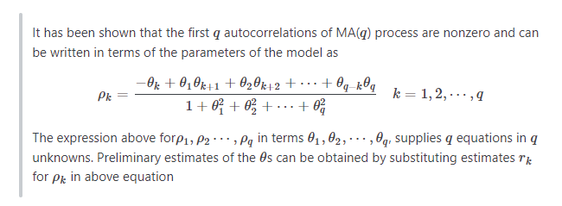
 |  | (Generalized) Autoregressive Conditional Heteroskedasticity
 |  | - ARCH is used to model the conditional variability of a timeseries. It works with the assumption that the series is stationary, apart from the variance
 |  | - It is built using a series of lagged errors of a residual process i.e. obtain the errors from a model that tried to predict previous values, ensure that residuals have 0 mean, use these residuals in ARCH
 |  | - The logic being that future variance can be estimated by the amount of error there was present in estimating past values
 |  | - Extension of this is GARCH which also takes into account past variability in predicting future variability along with errors
 |  | - Consider a stock that has a few days of big changes in price after weeks of being dormant. You want to predict the price for the next day. ARCH/GARCH can give you a good estimate of how much variance you can expect in your prediction
 |  | - Conventionally defined as ARCH(p) and GARCH(p, q) where p is number of residuals and q is number of past variances
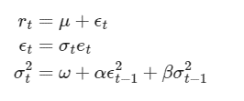

ADF Test

